Definitions and Legrest Length
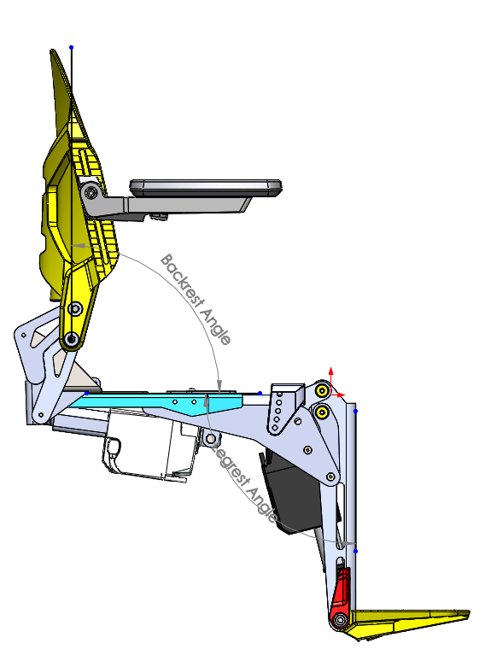
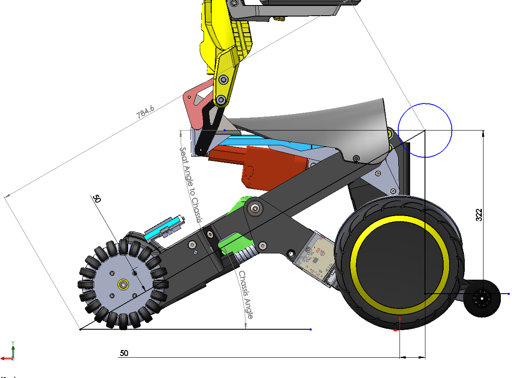

Recline
Backrest Angle - Backrest Actuator % Extended
 |  |  | Actuator | Max In | Max Out | Stroke
Backrest Angle |  |  | Backrest | 225 | 322 | 97
In CAD | Backrest Actuator Length | % extended
(deg) | (mm)

90 | 225 | 0.00 |  |  |  |  | 90.8
95 | 226.9 | 1.96
100 | 230.2 | 5.36 |  |  |  |  | 90.6
105 | 234.5 | 9.79
110 | 239.7 | 15.15 |  |  |  |  | 90.2
115 | 245.7 | 21.34
120 | 252.4 | 28.25
125 | 259.5 | 35.57
130 | 266.8 | 43.09
135 | 274 | 50.52
140 | 281.1 | 57.84
145 | 287.8 | 64.74
150 | 294.1 | 71.24
155 | 299.9 | 77.22
160 | 305.3 | 82.78
 |  | 89
 |  | 95
 |  | 100

Backrest Actuator % Extended - Backrest Angle
 |  | Backrest Angle
 | % extended | Measured on Prototype
 |  | (deg)

 | 0.00 | 86.95
 | 1.96 | 87.15
 | 5.36 | 92.45
 | 9.79 | 94.85
 | 15.15 | 97.15
 | 21.34 | 99.85
 | 28.25 | 103.25
 | 35.57 | 106.15
 | 43.09 | 109.25
 | 50.52 | 113.05
 | 57.84 | 118.05
 | 64.74 | 122.45
 | 71.24 | 123.15
 | 77.22 | 126.95
 | 82.78 | 135.05
 | 89 | 143.15
 | 95 | 155.85
 | 100 | 159.05

Leg Elevation
 |  |  |  | Actuator | Max In | Max Out
 | In CAD |  |  | Legrest | 210 | 310
 | Legrest Angle | Legrest Actuator Length | % extended
Legrest Angle - Legrest Actuator % Extended
 | (deg) | (mm)

 | 80 | 210 | 0.00
 | 85 | 211.9 | 1.90
 | 90 | 214.6 | 4.60
 | 95 | 217.8 | 7.80
 | 100 | 224.5 | 14.50
 | 105 | 226.6 | 16.60
 | 110 | 232.6 | 22.60
 | 115 | 239.9 | 29.90
 | 120 | 248.7 | 38.70
 | 125 | 258.8 | 48.80
 | 130 | 269.6 | 59.60
 | 135 | 280 | 70.00
 | 140 | 289.1 | 79.10
 | 145 | 296 | 86.00
or here | 150 | 300.8 | 90.80
stop here | 155 | 303.5 | 93.50
 | 160 | 304.7 | 94.70

Legrest Actuator % Extended - Legrest Angle
 |  |  | Legrest Angle
 |  | % extended | Measured on Prototype
 |  |  | (deg)

 |  | 0 | 82.4
 |  | 1.9 | 90
 |  | 4.6 | 94.8
 |  | 7.8 | 96.9
 |  | 14.5 | 106.5
 |  | 16.6 | 107.6
 |  | 22.6 | 111.7
 |  | 29.9 | 117.2
 |  | 38.7 | 121.7
 |  | 48.8 | 127.4
 |  | 59.6 | 132.2
 |  | 70 | 136.9
 |  | 79.1 | 141.5
 |  | 86 | 148.2
 | or here | 90.8 | 152.2
 | stop here | 93.5 | 157.1
 |  | 94.7 | 162.7

Chassis Angle
Chassis Angle to Floor - Spread Actuator % Extended

 | In CAD
STF | Chassis Angle | Spread Actuator Length | % extended | Drive Speed %
(in) | (deg) | (mm)

5.5 | 3.2 | 334 | 100.00 | 0
7 | 7.9 | 325.5 | 91.83 | 0
8 | 10.5 | 319.3 | 85.87 | 0
9 | 13.2 | 312.8 | 79.62 | 100
10 | 15.9 | 306.2 | 73.27 | 100
11 | 18.6 | 299.3 | 66.63 | 100
12 | 21.4 | 292.3 | 59.90 | 60
13 | 24.2 | 285.2 | 53.08 | 60
14 | 27.1 | 278 | 46.15 | 60
15 | 30 | 270.8 | 39.23 | 60
16 | 33 | 263.6 | 32.31 | 60
17 | 36.1 | 256.6 | 25.58 | 60
18 | 39.4 | 249.8 | 19.04 | 30
19 | 42.8 | 243.3 | 12.79 | 30
20 | 46.3 | 237.4 | 7.12 | 30
21 | 50.1 | 232.2 | 2.12 | 30
21.75 | 52.9 | 230 | 0.00 | 30

Spread Actuator % Extended - Chassis Angle to Floor
 |  |  |  | Chassis Angle
 |  |  | % extended | Measured on Prototype
 |  |  |  | (deg)

 |  |  | 100.00 | 3.5
 |  |  | 91.83 | 6.4
 |  |  | 85.87 | 8.8
 |  |  | 79.62 | 11.2
 |  |  | 73.27 | 13.8
 |  |  | 66.63 | 16.4
 |  |  | 59.90 | 19.5
 |  |  | 53.08 | 22.7
 |  |  | 46.15 | 25.2
 |  |  | 39.23 | 28.2
 |  |  | 32.31 | 31.1
 |  |  | 25.58 | 34.5
 |  |  | 19.04 | 37.6
 |  |  | 12.79 | 40.4
 |  |  | 7.12 | 44
 |  |  | 2.12 | 47.5
 |  |  | 0.00 | 48.5

Seat Angle to Chassis
 |  | Chassis angle = 48.5 deg
 |  |  | Actuator | Max In | Max Out | Stroke
 |  |  | Tilt | 277 | 435 | 158
In CAD
Seat Angle to Chassis - Tilt Actuator % Extended
Seat Angle to Chassis | Tilt Actuator Length | % extended
(deg) | (mm)

3 | 277 | 0.00
10.25 | 283.5 | 4.11
17.5 | 291.4 | 9.11
24.75 | 300.5 | 14.87
32 | 310.6 | 21.27
39.25 | 321.5 | 28.16
46.5 | 332.9 | 35.38
53.75 | 344.6 | 42.78
61 | 356.3 | 50.19
68.25 | 368 | 57.59
75.5 | 379.4 | 64.81
82.75 | 390.3 | 71.71
90 | 400.7 | 78.29
97.25 | 410.5 | 84.49
104.5 | 419.4 | 90.13
111.75 | 427.5 | 95.25
119 | 434.6 | 99.75

Tilt Actuator % Extended - Seat Angle to Chassis
 |  | Measured
 | % extended | Seat Angle to Chassis
 |  | (deg)

 | 0.00 | 4.1
 | 4.11 | 12.3
 | 9.11 | 17.9
 | 14.87 | 25.4
 | 21.27 | 32.1
 | 28.16 | 39.4
 | 35.38 | 46.9
 | 42.78 | 54.1
 | 50.19 | 61.4
 | 57.59 | 69.2
 | 64.81 | 76.4
 | 71.71 | 83.4
 | 78.29 | 89.7
 | 84.49 | 97.8
 | 90.13 | 105.5
 | 95.25 | 112.4
 | 99.75 | 121

Tilt
 |  |  |  |  |  |  | Actuator | Max In | Max Out | Stroke
 |  |  | Tilt Actuator |  | Spread Actuator | Spread Actuator | Tilt | 277 | 435 | 158
Tilt Angle | Wheel Spread Distance | Tilt Actuator Length | % extended | Spread Actuator Length | % extended max | % extended min | Spread | 230 | 334 | 104
(deg) | (mm) | (mm) | (%) | (mm) | (%) | (%)
0 | 545 | 307.8 | 19.5% | 270.8 | 39.2% | 0.0%
5 | 545 | 300.8 | 15.1% | 270.8 | 39.2% | 0.0%
10 | 545 | 294.4 | 11.0% | 270.8 | 39.2% | 0.0%
15 | 545 | 288.5 | 7.3% | 270.8 | 39.2% | 0.0%
20 | 545 | 283.2 | 3.9% | 270.8 | 39.2% | 0.0%
25 | 525 | 282.5 | 3.5% | 260.8 | 29.6% | 0.0%
30 | 505 | 281.4 | 2.8% | 252.4 | 21.5% | 0.0%
35 | 485 | 280.1 | 2.0% | 245.4 | 14.8% | 0.0%
40 | 465 | 278.6 | 1.0% | 239.6 | 9.2% | 0.0%
45 | 445 | 277.1 | 0.1% | 234.9 | 4.7% | 0.0%

